Sheet1
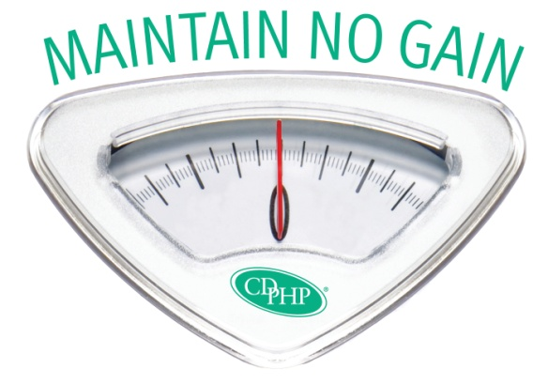
 |  | Challenge Scorecard
 |  | Hold off holiday weight gain for optimal health and great prizes!

 |  | Name
 |  | Email

Use the scorecard on the second page to keep track of your progress. At the end of the challenge tally your totals and write them in on the designated lines at the bottom of this page.
Directions:
Record your starting weight.
Each day, give yourself 1 point if you consumed 5 or more servings of fruits and/or vegetables AND 1 point if you exercised 30 minutes or more.
Each week total your points for both fruit/vegetable consumption and physical activity.
At the end of the challenge calculate your total points for fruits/vegetable consumption and for physical activity throughout the 8 weeks.
At the end of the challenge record your ending weight. If you are within 2 pounds of your starting weight or have lost weight, give yourself 50 points.
Calculate your total points earned for fruit/vegetable consumption, physical activity, and weight maintenance.
If you score 100 points or higher, you win!

Maintain No Gain Scorecard |  |  | Name | 0
 |  |  | Email | 0

Starting Weight |  |  | Ending Weight |  |  | Difference | 0

Week 1 | M | T | W | Th | F | Sa | Su | Total Points
5 Fruits/Vegetables Consumed |  |  |  |  |  |  |  | 0
30 Minutes of Physical Activity |  |  |  |  |  |  |  | 0

Week 2 | M | T | W | Th | F | Sa | Su | Total Points
5 Fruits/Vegetables Consumed |  |  |  |  |  |  |  | 0
30 Minutes of Physical Activity |  |  |  |  |  |  |  | 0

Week 3 | M | T | W | Th | F | Sa | Su | Total Points
5 Fruits/Vegetables Consumed |  |  |  |  |  |  |  | 0
30 Minutes of Physical Activity |  |  |  |  |  |  |  | 0

Week 4 | M | T | W | Th | F | Sa | Su | Total Points
5 Fruits/Vegetables Consumed |  |  |  |  |  |  |  | 0
30 Minutes of Physical Activity |  |  |  |  |  |  |  | 0

Week 5 | M | T | W | Th | F | Sa | Su | Total Points
5 Fruits/Vegetables Consumed |  |  |  |  |  |  |  | 0
30 Minutes of Physical Activity |  |  |  |  |  |  |  | 0

Week 6 | M | T | W | Th | F | Sa | Su | Total Points
5 Fruits/Vegetables Consumed |  |  |  |  |  |  |  | 0
30 Minutes of Physical Activity |  |  |  |  |  |  |  | 0

Week 7 | M | T | W | Th | F | Sa | Su | Total Points
5 Fruits/Vegetables Consumed |  |  |  |  |  |  |  | 0
30 Minutes of Physical Activity |  |  |  |  |  |  |  | 0

Week 8 | M | T | W | Th | F | Sa | Su | Total Points
5 Fruits/Vegetables Consumed |  |  |  |  |  |  |  | 0
30 Minutes of Physical Activity |  |  |  |  |  |  |  | 0

Subtotal Fruits/Vegetables Points |  |  |  |  |  |  |  | 0
Subtotal Activity Points |  |  |  |  |  |  |  | 0
Subtotal Weight Maintenance Points

 |  |  |  |  |  |  | TOTAL | 0

